CSSP Framework Description
Virginia’s Comprehensive School Support Plan
School Continuous Improvement Process Resource Guide

Virginia’s comprehensive school support plan (CSSP) integrates findings from Virginia’s needs assessment to help guide schools as they prioritize work, predict and neutralize barriers, and catalyze transformative practices that will improve student outcomes. There are four sections to the comprehensive school support plan, aligned to the Virginia Support Framework:

-Academic Supports
-Staffing Supports
-Professional Learning Supports
School Climate Supports

High-quality plans support school leaders as they work to allocate human and fiscal resources, establish short-and long-term goals, monitor processes, and scale successes. Specifically, a high-quality plan is:

-Grounded in the continuous improvement process and high expectations for all students;
-Developed and revised through engagement with stakeholders-- including families; and,
-Based on evidence-and research-based strategies aligned to the needs and context of the school.

Effective plans are based on the most important changes needed in the school and demonstrate alignment to federal, state, division, and school priorities by relating goals, measures, strategies, and resources to division plans, federal and state laws and guidance, including Virginia’s Support Framework.

How to use the Virginia Comprehensive School Support Plan:

1. Review the Virginia Support Framework domains and the results of the Virginia Support Framework Needs Assessment.
2. Become familiar with the explanation and example of the Comprehensive School Support Plan template which includes a description and example for each item.
3. Complete the profile information, providing information on designations, School Quality Indicators, Levels, and/or federal identification. An overview of the internal and external stakeholder, including families, that have been engaged in the school improvement process should also be documented.
4. Use the results from the needs assessment to develop the plan for each domain and indicator, including barriers from a root-cause analysis establishing SMART goals, the alignment to evidence and research-based strategies, the development and implementation of the plan, and the artifacts to be regularly collected and analyzed for progress monitoring.

In accordance with the Standards of Quality (SOQ) and Standards of Accreditation (SOA), all schools are to prepare a comprehensive, unified, long-range plan in conjunction with the division long-range comprehensive plan, and make it available to the public (SOQ, § 22.1-253.13:6.; SOA 8VAC20-131-390; 8VAC20-131-400). Under the Every Student Succeeds Act (ESSA), schools identified for comprehensive, targeted, and additional targeted support and improvement are required to develop plans based on a set criteria with state educational agency (SEA), local educational agency (LEA), and school approval (ESSA §1111(d)(1)(B); §1111(d)(2)(B)-(C))

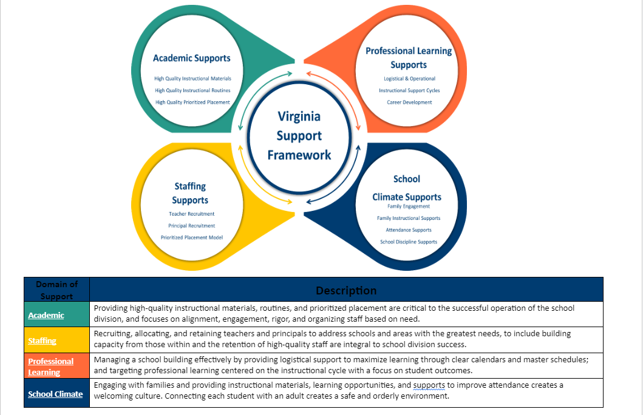

In accordance with the Standards of Quality (SOQ) and Standards of Accreditation (SOA), all schools are to prepare a comprehensive, unified, long-range plan in conjunction with the division long-range comprehensive plan, and make it available to the public (SOQ, § 22.1-253.13:6.; SOA 8VAC20-131-390; 8VAC20-131-400). Under the Every Student Succeeds Act (ESSA), schools identified for comprehensive, targeted, and additional targeted support and improvement are required to develop plans based on a set criteria with state educational agency (SEA), local educational agency (LEA), and school approval (ESSA §1111(d)(1)(B); §1111(d)(2)(B)-(C))

