Quote Form
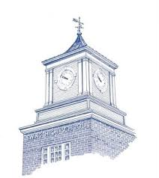 | EWING BOARD OF EDUCATION Quote Request Form
 | Requested by:
 | Location:
 | Fax #:
 | Date:
 | VENDOR:
 | VENDOR CONTACT:
PRODUCT INFORMATION:
Quantity | Item Description | Unit Price | Total

 | Sub Total: |  | $0.00
 | Shipping:
 | Total: |  | $0.00
Vendor Signature:
1. The Board of Education will not be liable for goods furnished without a Purchase Order signed by the
Business Administrator and Superintendent.
2. As a public school, any purchase is exempt from Federal, State and Municipal taxes.
3. Any vendor who surpasses $7,950 for the school year is required to submit a New Jersey
Business Registration Certificate
4. Any vendor who surpasses $17,500 in sales or service for the school year is required to submit a
Political Contribution Disclosure Form.
5. Any vendor who surpasses $53,000 in sales or service is required to submit an Affirmative Action
Certificate.

VENDOR SIGNATURE:
VENDOR NAME :
PHONE: |  | FAX:

