OTComp
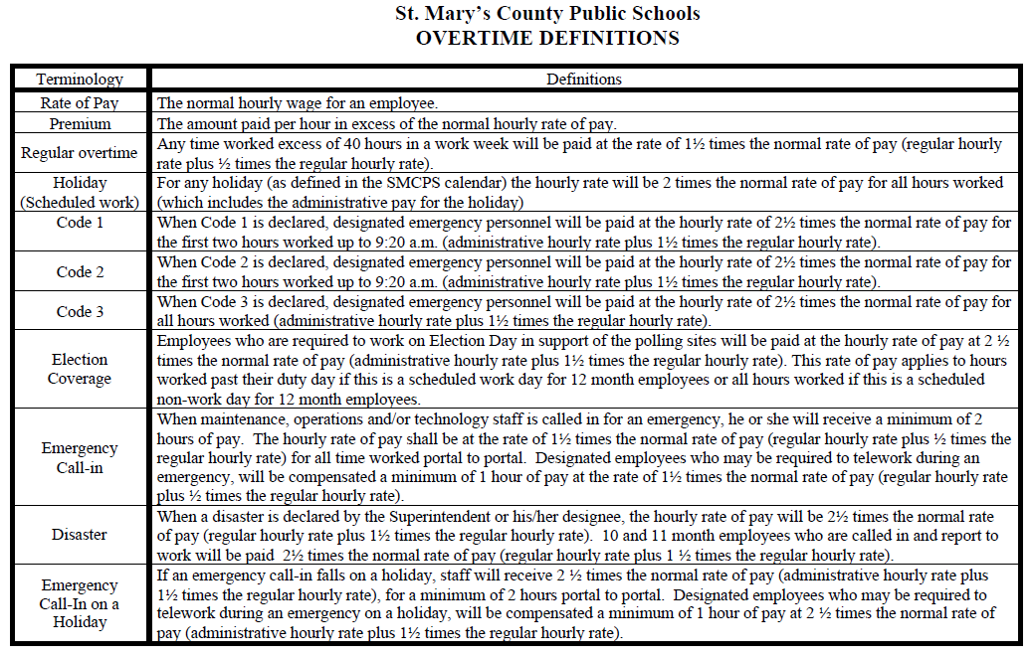
St. Mary's County Public Schools
 |  |  |  | PAYROLL SUBMISSION
Weekly Overtime/Compensatory Timesheet

Employee: |  |  |  |  |  | Employee Number:

Position: |  |  |  |  |  | Location:

Week ending: |  |  | Enter a Friday date (mm/dd/yyyy) for the Week Ending. |  |  | Account Code:

ALL INFORMATION MUST BE COMPLETED BEFORE THE PAY WILL BE PROCESSED
*Paid in 1/4 hour increments only - .00/.25/.50/.75 (Example 11:15 a.m.-12:45 p.m.)
Holidays are ZERO hours UNDER REGULAR HOURS WORKED
DAY | DATE | Regular Hours Worked | Hours-Include AM or PM |  | Overtime/Compensatory Hours Worked | Leave/Holiday/Other Hours Taken | Reason For Overtime/Compensatory Hours Worked
 |  |  | START | END
Saturday |  |  |  |  | 0.00 | 0.00
Sunday |  |  |  |  | 0.00
Monday |  | 0.00 |  |  | 0.00
Tuesday |  | 0.00 |  |  | 0.00
Wednesday |  | 0.00 |  |  | 0.00
Thursday |  | 0.00 |  |  | 0.00 | 0.00
Friday |  | 0.00 |  |  | 0.00
Total Hours Saturday to Friday |  | 0.00 |  |  | 0.00 | 0.00

Please indicate: |  | Paid Overtime |  | Employee Signature |  |  |  | Date
 |  |  |  | Administrator Signature
 |  | Compensatory Time |  |  |  |  |  | Date

 |  |  |  |  |  | FOR PAYROLL USE ONLY

 |  |  |  |  |  | Paycode:

 |  |  |  |  |  | Overtime Hours ___________________ Amount $ _____________________

 |  |  |  |  |  | Paycode:

 |  |  |  |  |  | Overtime Hours ___________________ Amount $ _____________________

INSTRUCTIONS FOR COMPLETION
This form is to be used for Classified Employees ONLY!
This form is to be prepared and submitted when overtime is worked. In order for this to be processed as either comp time or overtime pay, a record of the hours for the entire pay period must be submitted - each day must be recorded. Incomplete submissions will be returned, delaying payment or credit for overtime hours worked.

Actual Hours worked shall be reported - which excludes the 30 minute unpaid duty free lunch. (For example 8:30 - 4:00 is equal to 7 hours worked)

Any leave used during the pay period must be reported. Please identify the number of hours and the type of leave used, as follows:

 | AL- Annual Leave |  |  |  | H - Holiday |  | C - Compensatory Time
 | SL - Sick Leave

PLEASE NOTE: the reporting of leave on this form does not replace the mandatory submission of the Employee Leave Form

Prior to submission of the original form, it must be manually or digitally signed (not a stamp) by the site administrator and the reason for the overtime must be completed.

